Overview
 

 |  |  | Prospect Name/Number: |  |  |  |  |  |  | 25-004

 |  | Section |  |  |  | 31 |  |  | Township |  | 12N |  |  |  |  | Range |  | 24W

 |  |  | County |  |  | Roger Mills |  |  |  |  |  |  | State |  | Oklahoma

 | Containing 637.42 acres, more or less

 | T5 residual 8.285 ac band within Lots 1/2

 |  |  |  |  |  | LOT 1
 |  |  |  |  |  |  |  |  |  |  |  |  |  | TRACT 1 N/2 NE/4 80.00 ac
 | TRACT 6 M&B west strip 51.00 ac

 |  |  |  |  |  |  |  | TRACT 4 E/2 NW/4 80.00 ac

 |  |  |  |  |  | LOT 2

 |  |  |  |  |  |  |  |  |  |  |  |  |  |  |  |  | TRACT 3 SE/4 NE/4 40.00 ac

 | TRACT 8 M&B west strip 32.80 ac

 |  |  |  |  |  | LOT 3
 |  |  |  |  |  |  |  | TRACT 7 NE/4 SW/4 40.00 ac |  |  |  | TRACT 2 SW/4 NE/4 NW/4 SE/4 S/2 SE/4 160.00 ac |  |  |  |  | TRACT 10 NE/4 SE/4 40.00 ac

 | W. 18.20 ch M&B strip shown approx. in W/2 W/2

 | TRACT 9 Lot 4 + S/2 Lot 3 75.34 ac |  |  |  |  | LOT 4
 |  |  |  |  |  |  |  | TRACT 5 SE/4 SW/4 + residual 38.28 ac

 | PLAT NOTE: W/2 W/2 west-side tracts are shown as M&B bands: T6 = 51.00 ac and T8 = 32.80 ac; Lot lines/acres are approximate from workbook calls — legal descriptions control.
 | ATTACHMENTS: |  |  |  |  |  | OWNERSHIP REPORT DATED: |  |  |  |  |  |  |  |  | LAST ENTRY:

 |  |  |  |  |  |  | TITLE OPINION UPDATE DATED: |  |  |  |  |  |  |  |  | LAST ENTRY:

 |  |  |  |  | x |  | CURSORY REPORT DATED: |  |  |  |  | 6/30/2026 |  |  |  | LAST ENTRY: |  | 2704/142

 |  |  |  |  |  |  | COUNTY CERTIFICATION DATE:

 | REMARKS:
 | REPORT IS A CURSORY REPORT — UPDATED QA PACKAGE 7/1/2026: Silver Oak top-lease numbering reconciled to register OGL 64-69 (phantom 109-114 retired); OGL register Net Mineral Acres column completed (VERIFY NMA / N/A-expired, no fabricated acres). SEE EXECUTIVE SUMMARY + OPEN ITEMS.

 | EXAMINER: |  |  | RG

PLAT
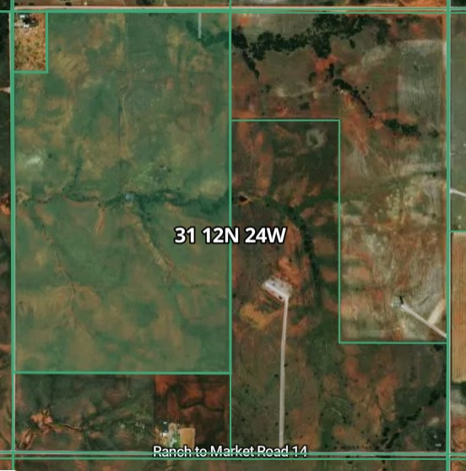
CORRECTED TRACT PLAT — SEC. 31-12N-24W, ROGER MILLS COUNTY, OKLAHOMA
Containing 637.42 acres, more or less — tract acreages/legals pulled from Title tab and shown for title-report visualization.
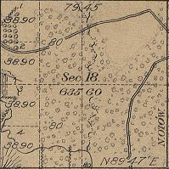
T5 residual 8.285 ac band within Lots 1/2

 |  | LOT 1
 |  |  |  |  |  |  | TRACT 1 N/2 NE/4 80.00 ac
TRACT 6 M&B west strip 51.00 ac

 |  |  | TRACT 4 E/2 NW/4 80.00 ac

 |  | LOT 2

 |  |  |  |  |  |  |  | TRACT 3 SE/4 NE/4 40.00 ac

TRACT 8 M&B west strip 32.80 ac

 |  | LOT 3
 |  |  | TRACT 7 NE/4 SW/4 40.00 ac |  | TRACT 2 SW/4 NE/4 NW/4 SE/4 S/2 SE/4 160.00 ac |  |  | TRACT 10 NE/4 SE/4 40.00 ac

W. 18.20 ch M&B strip shown approx. in W/2 W/2

TRACT 9 Lot 4 + S/2 Lot 3 75.34 ac |  | LOT 4
 |  |  | TRACT 5 SE/4 SW/4 + residual 38.28 ac

NOT A SURVEY — visual only. Metes-and-bounds calls and recorded legal descriptions control.
W/2 W/2 correction: Tracts 6 and 8 are shown inside the west 18.20-chain M&B strip rather than as standard aliquot rectangles.
Lot acre guidance from workbook calls: Lots 1 & 2 + N/2 Lot 3 = 92.085 ac gross; S/2 Lot 3 + Lot 4 ≈ 55.335 ac; separate lot-by-lot acres were not stated in the workbook.

Tract | Legal / lot call shown |  |  | Gross acres |  | Plat placement note
1 | N/2 NE/4 |  |  | 80.00 |  | North half of NE/4
2 | SW/4 NE/4; NW/4 SE/4; S/2 SE/4 |  |  | 160.00 |  | L-shaped east-half tract
3 | SE/4 NE/4 |  |  | 40.00 |  | Southeast quarter of NE/4
4 | E/2 NW/4 |  |  | 80.00 |  | East half of NW/4
5 | W/2 NW/4 (Lots 1 & 2) + SE/4 SW/4, less M&B exceptions |  |  | 38.28 |  | Residual / SE/4 SW/4 call; verify exact residual by legal
6 | South 51 acres of west 18.20-chain M&B strip |  |  | 51.00 |  | Shown as M&B band in W/2 W/2
7 | NE/4 SW/4 |  |  | 40.00 |  | Middle-west quadrant; verify overlap language with T9
8 | South 32.80 acres of west 18.20-chain M&B strip |  |  | 32.80 |  | Shown as M&B band in W/2 W/2
9 | Lot 4; S/2 Lot 3; S/2 NE/4 SW/4; less M&B exception |  |  | 75.34 |  | West/south lot tract; verify against source plat
10 | NE/4 SE/4 |  |  | 40.00 |  | Nominal 40 ac — verify against plat
M&B strip | Lots 1 & 2 + N/2 Lot 3, W. 18.20 chains |  |  | 92.085 gross |  | Gross strip used to place T6/T8/residual bands
Lots | Lots 1-4 total, grouped from workbook calls |  |  | 147.42 est. |  | Separate lot-by-lot acres not found in workbook

